Homepage
HOME PAGE

Oceania Logo |  |  |  |  |  | Login | Header Section. Static even on scrolling (HP- Section 1)
 |  | Products | Farmer's Testimonials | Gallery | About Us | Contact Us
 |  |  |  |  |  |  | Banner section Fit to screen Section 2

 | Carousal Banners (max 3)
 | Banner 1: What is OCEANIA
 | Banner 2: Biggest Problem
 | Banner 3: Solution

 |  |  | o o o

 |  |  |  |  |  |  | Heading Section 3

 |  |  |  |  |  |  | Four Top products or Kits of Oceania with the clickable link directing to respectie product page. Section 4


A modern Oceania farmer—grounded in the land, driven by knowledge, responsible in action, and focused on a smarter, more sustainable future. |  |  |  |  |  |  | Section 5 - Anatomy

 |  |  |  |  |  |  | Heading Section 6

 |  |  |  |  |  |  | Testimonials Section -7

 |  |  |  |  |  |  | Foooter Section-8 Articles/Practices/Innovations Blogs

 |  |  |  |  |  |  | Foooter Section -9

Products Category Page
COLLECTION PAGE

One single banner related to Oceania Products |  | Banner section Fit to screen on Top of the page

Product 1 | Product 2 | Two products in one row on desktop site Ref: Check the screenshot attached on this page

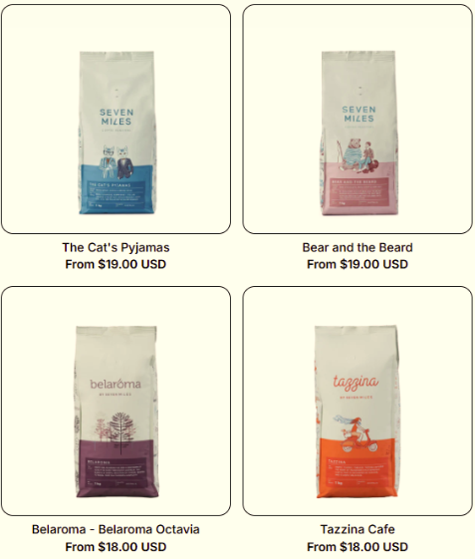

Product 3 | Product 4 | Two products in one row on desktop site Ref: Check the screenshot attached on this page

Product 5 | Product 6 | Two products in one row on desktop site Ref: Check the screenshot attached on this page

Product 7 | Product 8 | Two products in one row on desktop site Ref: Check the screenshot attached on this page

PDP page
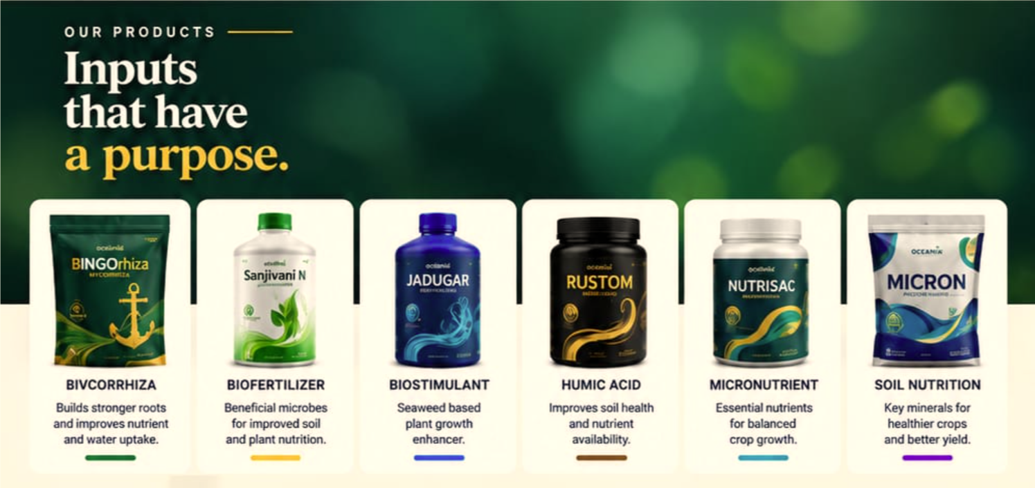
PRODUCT DESCRIPTION PAGE

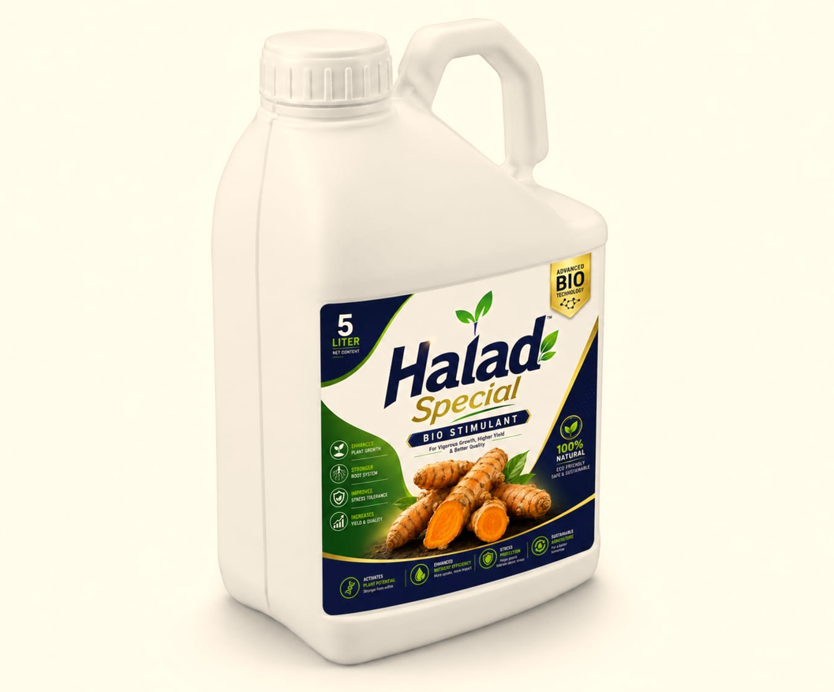 | PRODUCT NAME: HALAD SPECIAL PACKAGING: 5 LTR CAN DOSAGE: 5 Ltr/Acre METHOD OF APPLICATION: Through Drenching or Drip Irrigartion Product Description: (with load more arrow button ⬇) Halad Special is an advanced bio-stimulant formulated to support crop growth, stronger root development, improved stress tolerance, and yield and quality. Designed for application through drenching or drip irrigation, it helps deliver the product directly to the crop’s root zone for effective uptake. Halad Special is suitable for farmers seeking a solution to strengthen plant performance throughout the crop cycle. Its formulation supports healthier plant development and efficient nutrient utilization, helping crops maintain growth under challenging conditions. With a recommended dosage of 5 Litre per acre, Halad Special is an easy-to-use addition to modern, scientific, and sustainable farming practices.

PRODUCT RESULTS BEFORE AFTER PHOTOS
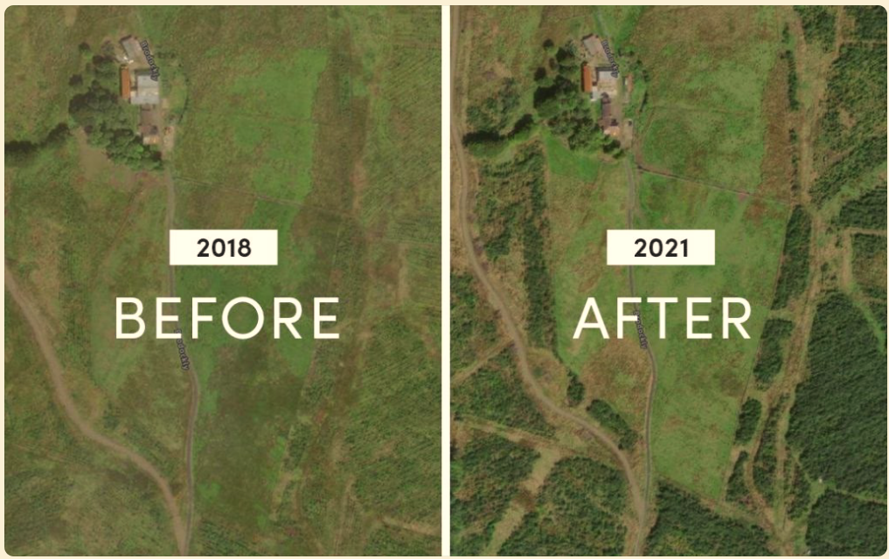
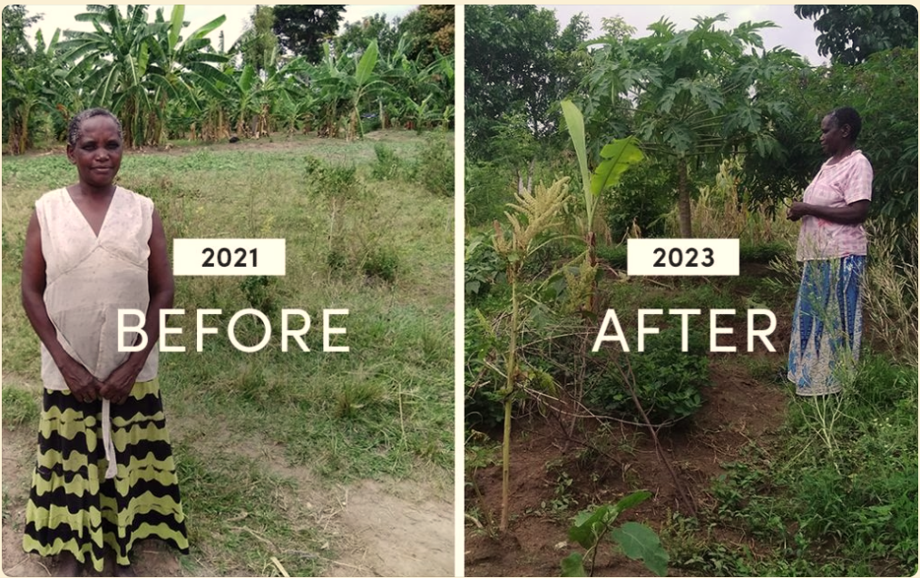

PRODUCT RESULTS - FARMER TESTIMONIALS VIDEOS
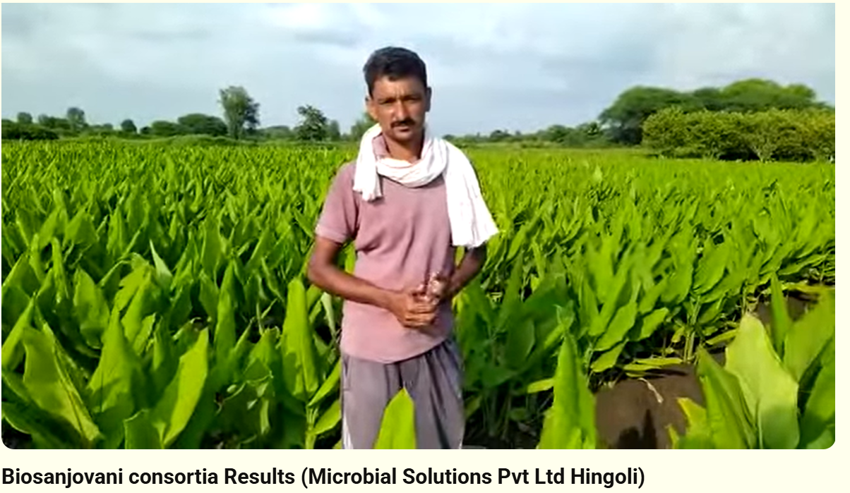

Explore More Products

Testimonials Page
FARMER'S TESTIMONIALS PAGE

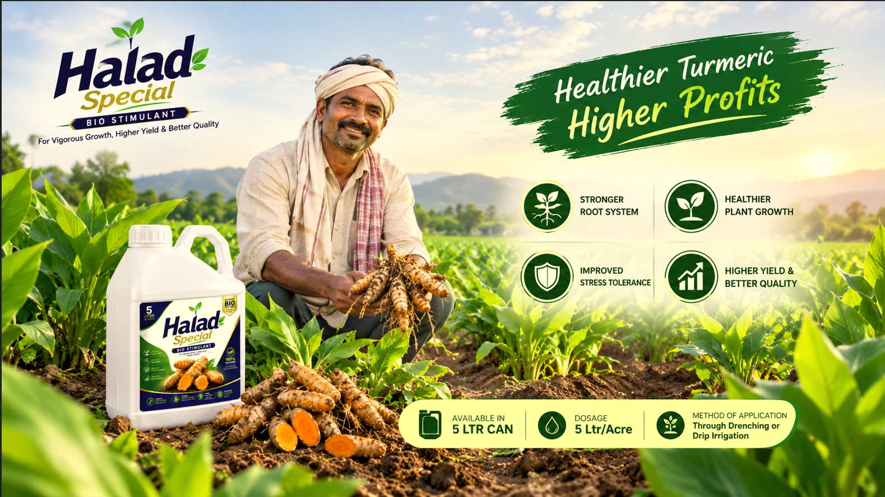

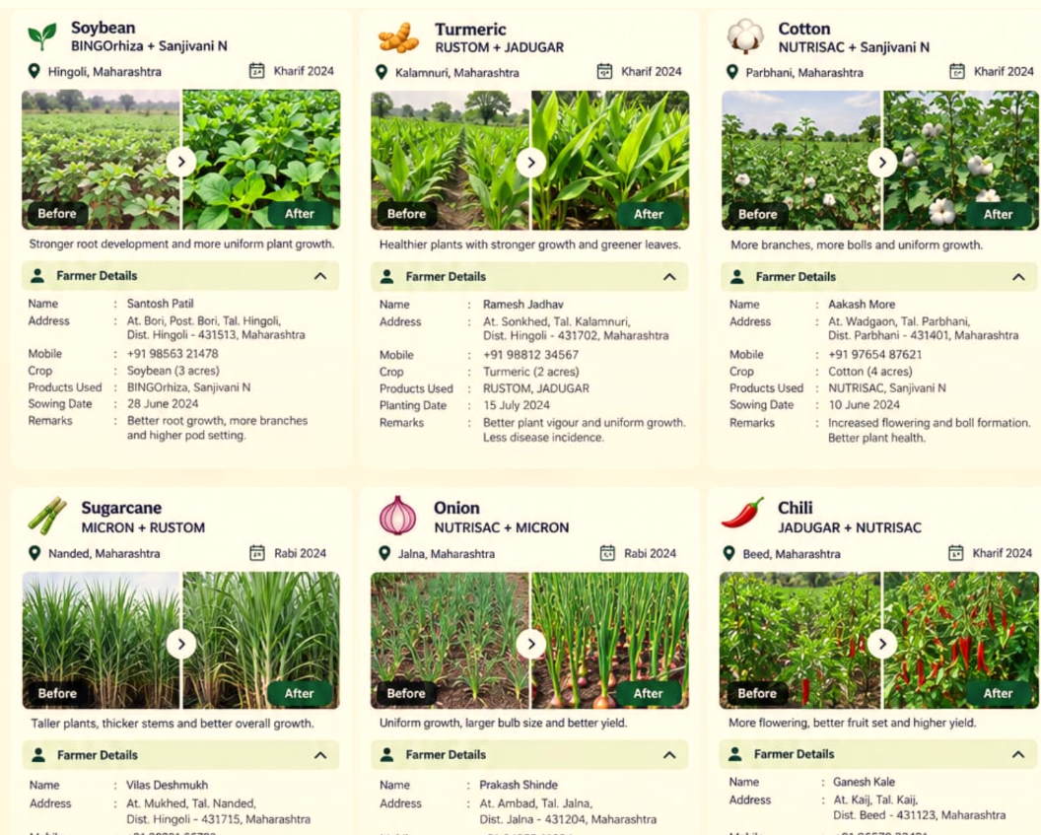

 | Testimonials Videos

 | CTA: Subscribe to newsletter or join whatsapp channel/group

About US page
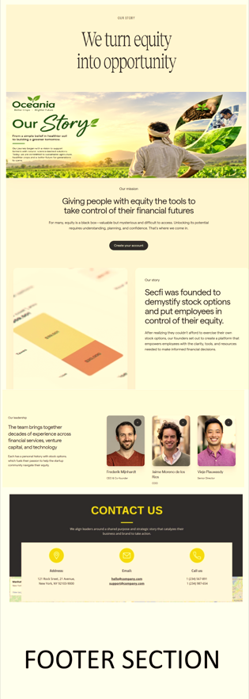

 | Screenshot of the window appears on clicking on + symbol of the pictures


Design Inspiration: https://secfi.com/our-story

Gallery Page
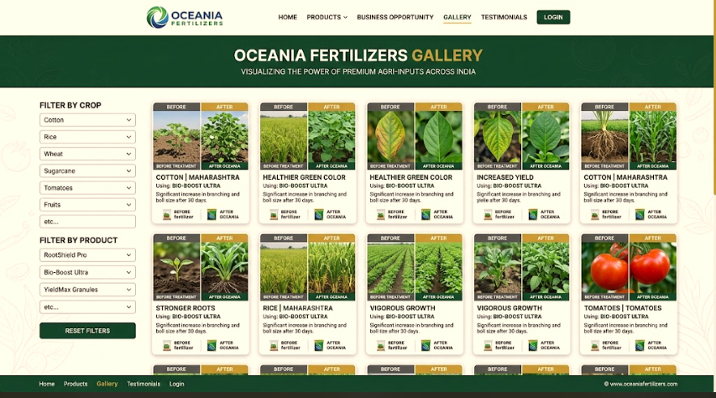

Contact Us Page
